Read Me
 |  | Automated HP Sheet
 |  | by Dave Newton
 |  | Version 6 | Sidebar - what's next? A shameless plug, of course! |  | font: | Linearicons-free
 |  | Modified 03/28/25 |  |  |  | Yes
 |  |  | I have ideas. Sometimes they are great,sometimes you look |  |  | No
Contents and Instructions |  |  | back and think, "well, it SEEMED like a good idea at the time." |  |  | Up
This workbook contains several sheets that are used to not only hold Heroic Persona data, it also |  |  | My new Mythus campaign is ramping up. Wanna play? Write me. |  |  | Down
passes data betweeen some of them to accomplish some minor character automation. |  |  |  |  |  | Left
 |  |  | I have been missing writing deadlines for my next novel since |  |  | Right
 |  |  | last September. I have tools, and pages (no, Dave. You have volumes
* | Blank Character sheet, |  | of game related ideas that you just can't let go of.) Now that I've |  | Camping/Traveling:
* | Several sheets for writing castings and descriptions |  | got my finger on the pulse of some of you die-hard fans who, |  |  | Daytime
* | A Tome to track all of your castings in one place |  | like me, are still playing and developing material for Dangerous |  |  | Nighttime
* | A Summoned OP sheet for stats for summoned creatures, minions, & familiars |  | Journeys, I'm not done. Hell, I just wrapped up a trilogy based on |  |  | Daern's Fortress
* | A Combat cheat sheet |  | simulated reality, and I was thrilled to include a version of magickal |  |  | Map
* | A sheet with New Castings released with Mythus 2025, and a list of useful ones |  | energy, and of course it was called Heka. All those dead guys
* | A Heka Generation worksheet |  | in pyramids can't be wrong. At least, not anymore. |  |  | Magic
* | A table of coin values by metal type, and a converter to calculate BUCs from a variety of them |  |  |  | ֎ | Marker
* | A sheet with tables for the costs and typical price of Potions, Poisons, and Heka-Forging (with an outline) |  | Anyway, Todd & I had a blast writing them, and I hope some of you
 | Separate tables are included for both Herbalism and Alchemy. |  | reading this will check them out. The series is called The
* | And finally, there is a SUMMARY page, that gathers data from your HP sheet and uses it to generate the |  | EarthZero Evolution, and the first book is The Lightbringer's |  | Unless you download this font, you might not
 | target numbers for your K/S Area rolls in a Difficulty Rating Matrix. The goal is not just to make your |  | Sigil. The 2nd book is The Anshadar Effect, and the series |  | be able to use the icons, but several of the fonts
 | life easier, I have my players update their sheet before a game and send me a copy, so I can import the |  | wraps up with The Death Horde. |  | in windows have icons included, if you look
 | information into my similar Campaign sheet, and have current information in front of me for each HP. |  |  |  | in the Character Map
 |  |  | Available from Amazon, B&N, and other fine ebook sellers.
Instructions
The sheets are pretty self-explanatory. Fill in the forms like you would an HP Sheet or a Casting List, avoiding |  |  | If I can ever put some of this down long enough, my next book
anything outlined in RED,and only filling the BLUE MOD column on the Summary sheet. Or, just |  |  | is a bit of horror, set in rural West Georgia in the latter part of the
scroll down for a brief preview of the current pages. |  |  | 20th century. Meanwhile, I'm still running my radio station,
 |  |  | EarthZero Radio (https://earthzero.abervon.com) and publishing at
ENJOY! Please send comments to twisteddave@abervon.com |  |  | Anshadar (https://anshadar.com). Catch ya later!

HPSheet |  |  |  | Rock on,
The first Tab after this one (at the botom of the screen), contains pages for (clockwise from upper left) |  |  |  | Dave
1 | Your Heroic Persona's Name, starting money, stats, and some space to be descriptive
2 | Equipment, such as armor, weapons, gear, etc.
3 | A page to keep track of the Castings they may have . There are more casting sheets on another sheet
4 | A page to list your Knowledge/Skills, any Sub-Areas, and the amount of Heka these generate for the HP
 | (That table off to the right? It's used to convert various currencies to BUCs, the Base Unit of Coin)
The thing to remember is NOT to enter anything in a square with a red border - these are automated.
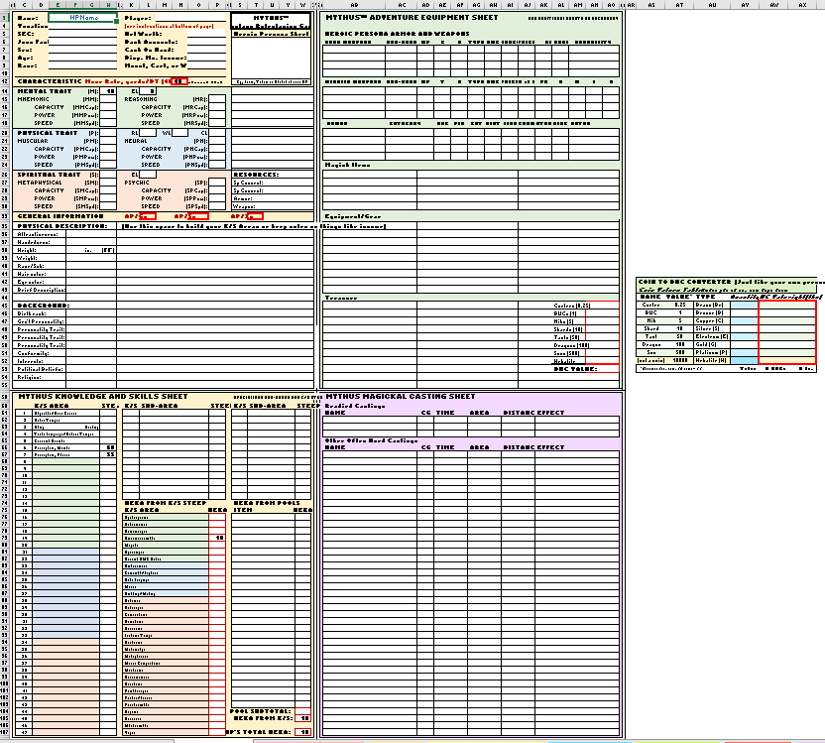

Casting Sheets
The next tab holds several sheets to list your Castings, with space for The Name, Time, Area, Distance & Effect
There are many ways to do this, and I have given you several different sheets. Pick those you like best
Currently, none of these have any calculations.
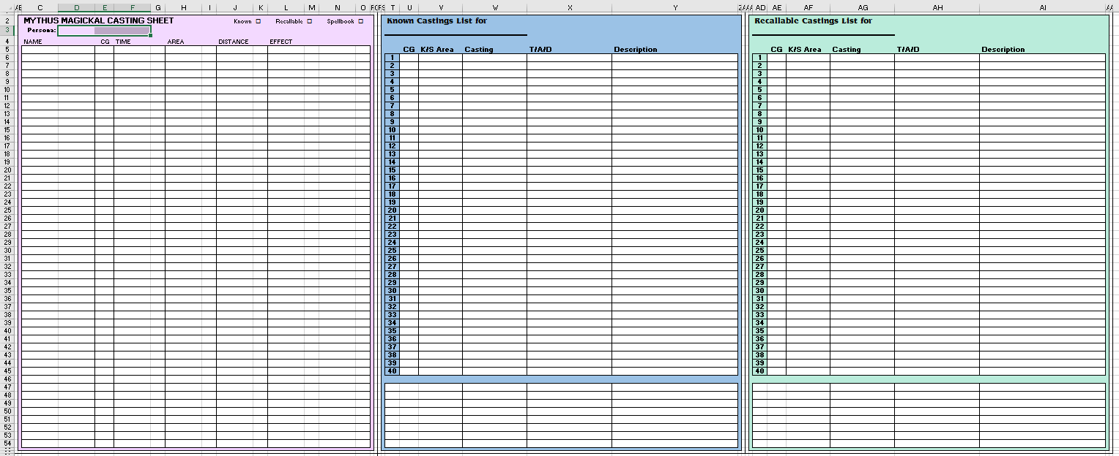

Tome
This sheet is HUGE, and contains a list of every Casting in the game - over 1650 of them! Ed Anderson
had this great idea that if you had ONE sheet that lists all of the schools, you could highlight the Known,
Recallable, and all of the Castings your HP has available in their library - so you can more easily pick
the ones you have memorized, by color coding them, Thanks, Ed!

Like I said, HUGE, so I'm not including a picture.

Summoned OPs
This sheet has space to list any creature you can summon, from guardians to Familiars, so you can
look up all their information without opening a book and scratching your head.
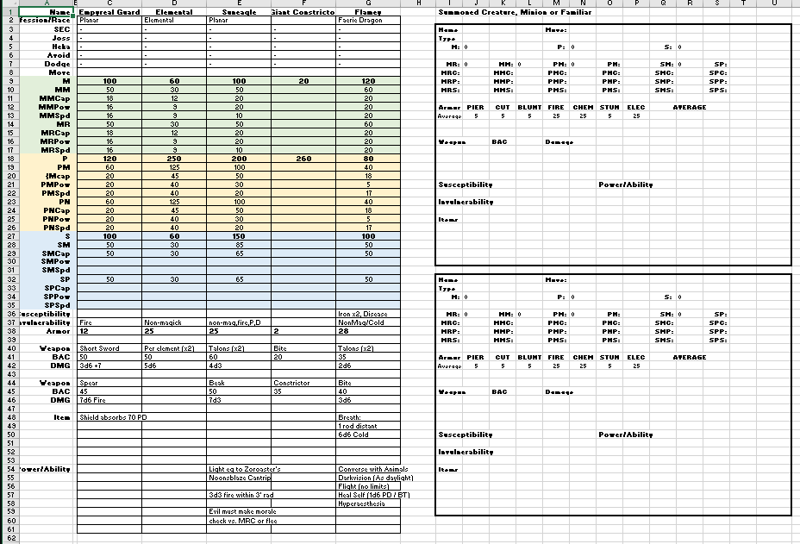

SUMMARY
This sheet holds all the results of information and calculations gathered by the spreadsheet file
in one place so the most important stuff is right where you need it - stats, movement, avoidance and
all of your K/S Areas and the target numbers in a computed matrix for each Difficulty, all in beautiful rainbow colors.
So when the Journey Master wants a roll against Perception (Noticing) and a DR of Difficult, you have it!

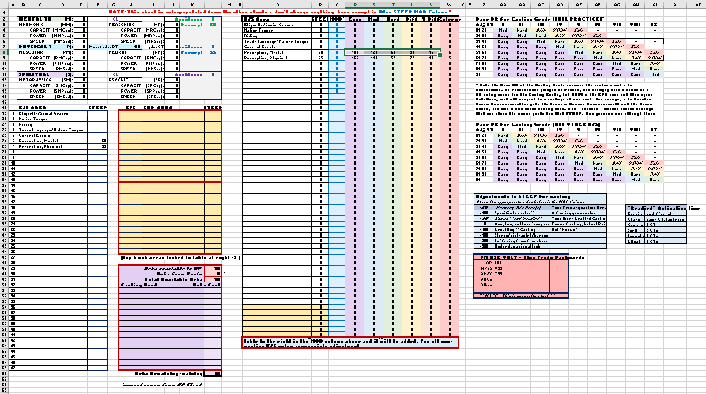

Player Log
Just because you might want to find a reference to something that happened, a name, or location, or whatever,
I created some log sheets. I have my own set of Journey Master logs, and no, they aren’t in color either.
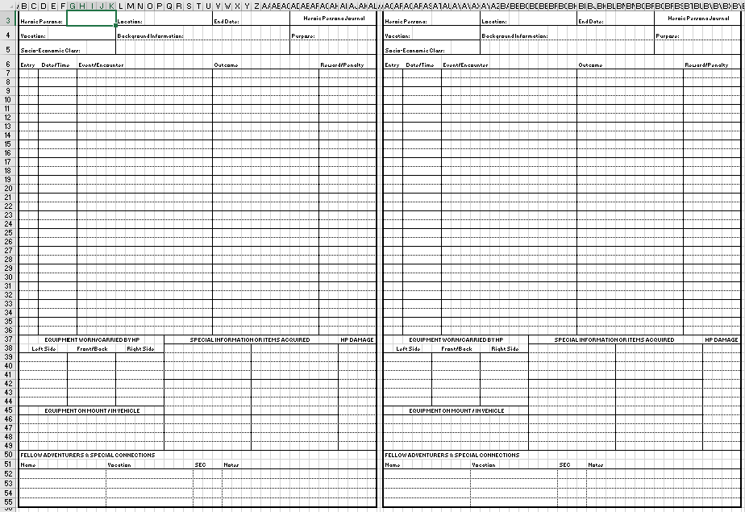

Combat
This tab contains an outline of the Combat process, with information about combat, initiative, actions, and avoidance.
It also contains a set of neat little formulas that applies damage and reduces your magickal armor until gone,
then subtracts armor from any other hits that exceed mundane armor, applying it to the appropriate Trait

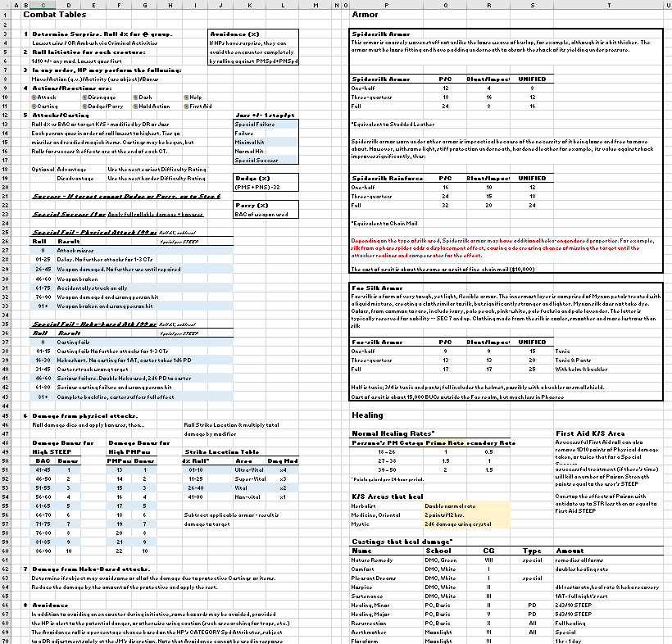

Known, Recall, Readied
This tab has information on how to determine the Castings which are Known and Recallable, plus
it covers Readied Castings - a way to have three Castings ready for the event of conflict, when you
need them most. And trust me, it frustrates your game master as well. When everyone suddenly
encounters a big ugly monster, and you don't know where to start. This is the strategy part of
roleplaying - Don't be tht person who opens the book to find which Casting you want to use,
just go with it, while the Barbarian wades in with a sword like the meat shield they are…
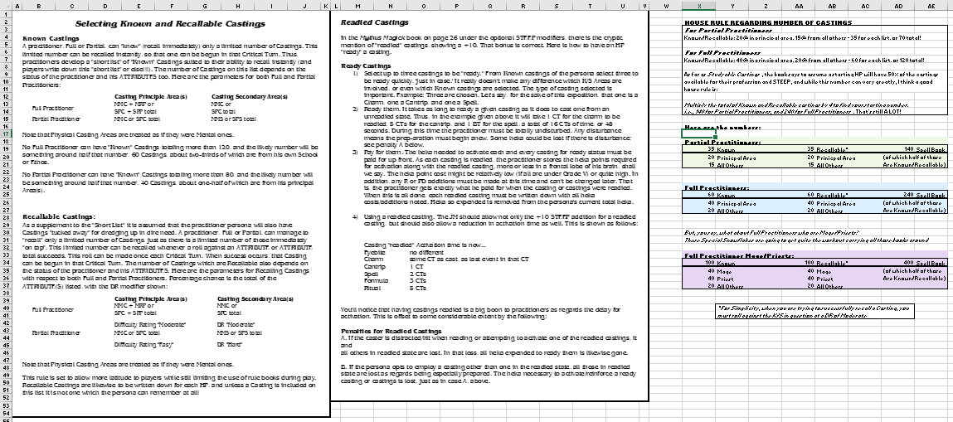

New & Useful Castings
In an effort to help everyone who uses Magick (who doesn't?), I've colected a bunch of my personal favorite
Castings in a list for you. I'm sure you will nod and wonder where I get the time for this, but
I also bet you'll see something you might have missed.
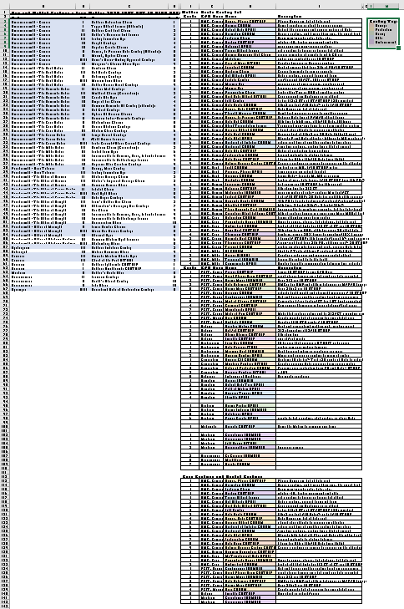

Heka Generation
Figuring out how much Heka your HP has is a pain in the ass, amirite? Well,
not so much now - this automated tab takes your appropriate K/S STEEP, adds
it to the appropriate Attributes, totals it all and is 99.9999% accurate. At least I'm
25 % sure, Call it a hunch. Enter the info in the PP or FP column , and sit back
with that smug look that tells the rest of your group that you didn't need to do all that by hand.

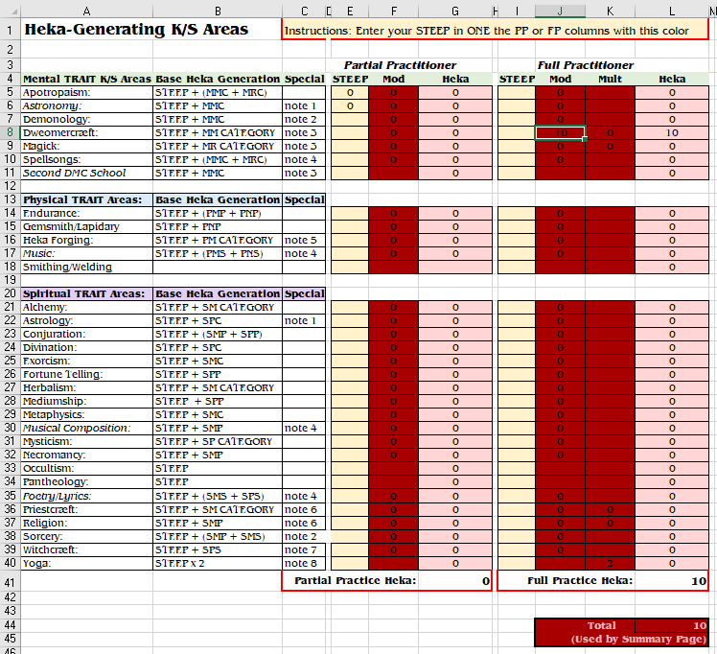

Net Worth
The Net Worth tab is for those who are creating their character (instead of
transferrinf an existing HP to the ne sheet - Start by selecting an SEC and
entering into the box - the page calculates a set of numbers for all the SEC
columns in a table. Copy the applicable column to the work sheet on the left
side, adjust your Bank account and Net worth, and go select your equipment
from the tables. Buy a house, horse, wagon and warship. Don't forget to buy
a loincloth and a sword before you're broke

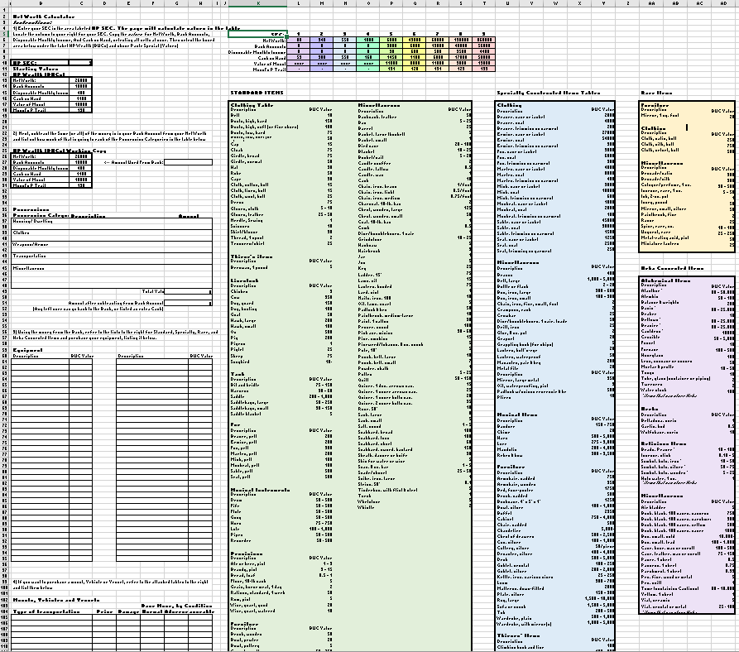

Money
The money tab has table showing the relative value of metal/coins, and the process of
determining size and cost of gemstones, their money value, and Heka stored based on
their quality, if you are going to create Aegis (protectives made from activating the natural
Heka stored within mineral reagents for small protective charms
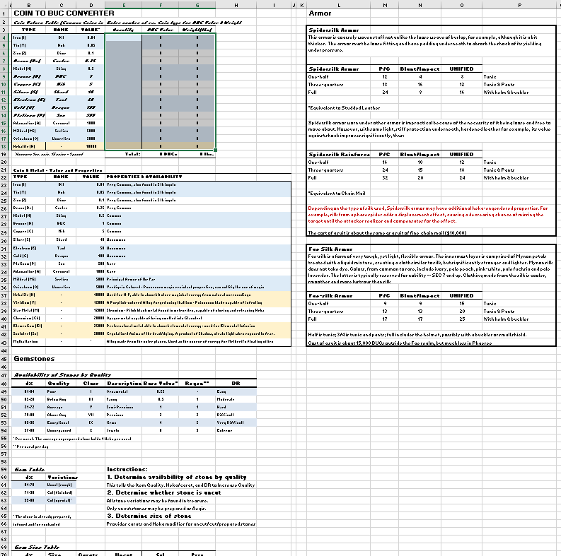

Consumables
One thing I worked very hard on recently was Mythus 2025, and rules to include
potions, poisons, and heka forged items in the game. But hey - if you don't want
to sit at home creating goodies, while the rest of the party is out risking their
lives on dubious treasure from irate monsters, I have table that tell you how much
they cost to BUY them. You are all loaded, right?
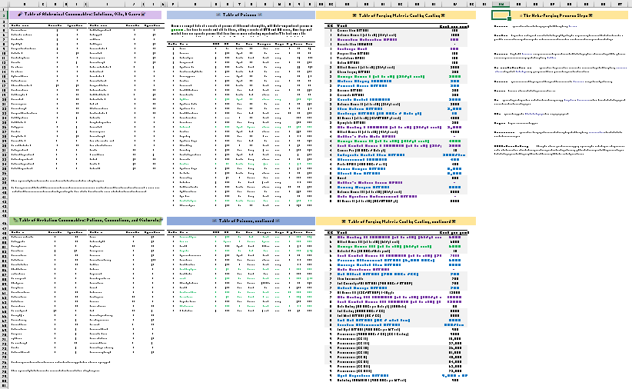

… and that's it for now. At least until I catch my second wind, and build a fully functional
HP generator, Random treasure generator, monster and OP factory, and fix the typos
for all those Castings on the web site. (https://mythus,abervon.com, BTW.)
Don't laugh, It will happen… Eventually.

Get a hobby, she said. It'll be fun she said.

